Hoja1
person_age | Age | Edad
person_income | Annual Income | Ingresos personales
personhomeownership | Home ownership | Propiedad de la vivienda
personemplength | Employment length (in years) | Duración de empleo
loan_intent | Loan intent | Motivo del préstamo
loan_grade | Loan grade | Grado del préstamo
loan_amnt | Loan amount | Cantidad de préstamo
loanintrate | Interest rate | Tasa de interés
loan_status | Loan status (0 is non default 1 is default) | Estado del préstamo | 0 is non default | 1 is default
loanpercentincome | Percent income | Porcentaje del préstamo sobre los ingresos
cbpersondefaultonfile | Historical default | Falta de pago de un préstamo antiguo
cbpresoncredhistlength | Credit history length | Lapso de tiempo desde el anterior préstamo

Column | Description |  | Attributes Description person_age detail of the person or lender age varying from 20 to 144 person_income lender annual income from 4000 to 6000000 person_home_ownership home ownership of a lender classified into own, rent, mortgage and other person_emp_length the total length of lender employment from fresher to 123 year of experience loan_intent type of loan classified as personal, education, medical, venture, home improvement, and debt consolidation loan_grade credit grade classified from A to G loan_amnt credit amount ranging from 500 to 3500 loan_int_rate loan interest rate, falls between 5.42% and 23.22% loan_status loan status which is either 0 or 1 loan_percent_income total income generated in range of 0 to 0.83 cb_person_default_on_file failure to repay a loan or repay the loan cb_person_cred_hist_length span of credit history in range of 2 to 30
person_age | The person's age in years
person_income | The person's anual income
person_home_ownership | The type of home ownership (RENT; OWN; MORTGAGE; OTHER)
person_emp_length | The person's employment length in years
loan_intent | The person's intent for the loan (PERSONAL, EDUCATION, MEDICAL, VENTURE, HOMEIMPROVEMENT, DEBTCONSOLIDATION)
loan_grade | The loan grade (A, B, C, D, E, F, G)
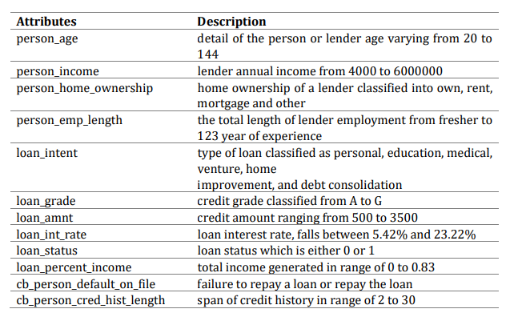
loan_amnt | The loan amount
loan_int_rate | The loan interest rate
loan_status | Shows whether the loan is currently in default with 1 being default and 0 being non-default
loan_percent_income | The percentage of person's income dedicated for the mortgage
cb_person_default_on_file | If the person has a default history (Yes; No)
cb_person_cred_hist_length | The person's credit history

https://github.com/brunokatekawa/credit_risk/blob/master/Credit_Risk.ipynb

https://dspace.lib.uom.gr/bitstream/2159/25647/1/GrigoriouKassianiMsc2021.pdf

https://www.kaggle.com/code/manuelcuberli/credit-risk-exploratory-data-analysis/notebook

1. person_age: is the age of the person at the time of the loan.
2. person_income: is the yearly income of the person at the time of the loan.
3. person_home_ownership: is the type of ownership of the home.
4. person_emp_length: is the amount of time in years that person is employed.
5. loan_intent: is the aim of the loan.
6. loan_grade: is a classification system that involves assigning a quality score to a loan based on a borrower's credit history, quality of the collateral, and the likelihood of repayment of the principal and interest.
7. loan_amnt: is the dimension of the loan taken.
8. loan_int_rate: is the interest paid for the loan.
9. loan_status: is a dummy variable where 1 is default, 0 is not default.
10. loan_percent_income: is the ratio between the loan taken and the annual income.
11. cb_person_default_on_file: answers whether the person has defaulted before.
12. cb_person_cred_hist_length: represents the number of years of personal history since the first loan taken from that person.

